TOTAL
Alkalmazott szűrők: TRANSPORT_MODE egyezik ezzel: Sea Reference type egyezik ezzel: Highlighted references only „QUERY_List_Carrier_name_EDIQ_Act”[LSP] egyezik ezzel: Maersk Date ekkori vagy későbbi a következőnél: 2026.05.11. 0:00:00 és dátuma korábbi, mint 2026.05.18. 0:00:00 SHIPMENT_CANCELLED egyezik ezzel: (Üres) Previous and next 1 year egyezik ezzel: Y KPI_Category nem egyezik ezzel: Mapping
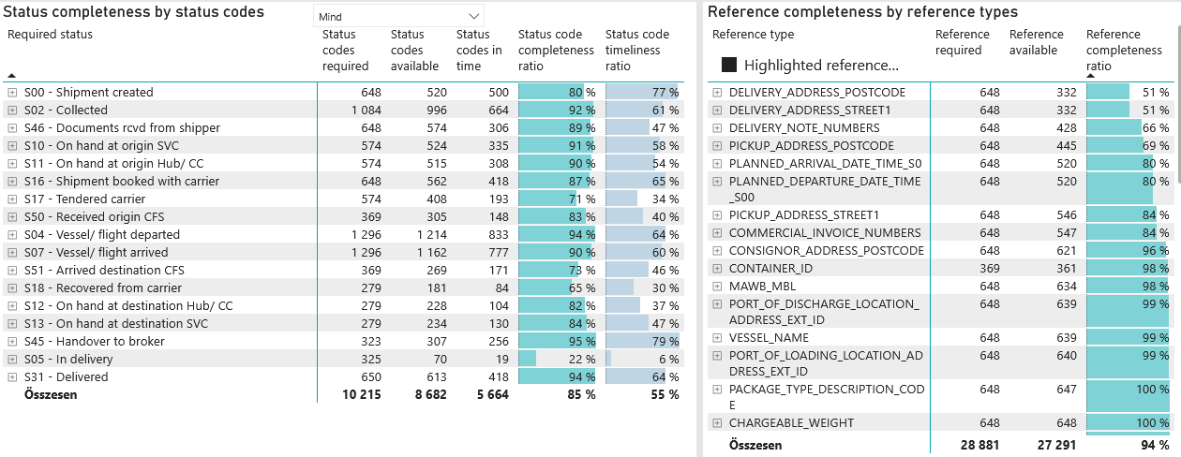
Required status | Status type | „QUERY_List_Carrier_EDIQ_Act”[LSP] | Status codes required | Status codes available | Status codes in time | Status code completeness ratio | Status code timeliness ratio
S00 - Shipment created | Actual | Maersk | 648 | 520 | 500 | 80 % | 77 %
S02 - Collected | Estimated | Maersk | 542 | 509 | 430 | 94 % | 79 %
S02 - Collected | Actual | Maersk | 542 | 487 | 234 | 90 % | 43 %
S46 - Documents rcvd from shipper | Actual | Maersk | 648 | 574 | 306 | 89 % | 47 %
S10 - On hand at origin SVC | Actual | Maersk | 574 | 524 | 335 | 91 % | 58 %
S11 - On hand at origin Hub/ CC | Actual | Maersk | 574 | 515 | 308 | 90 % | 54 %
S16 - Shipment booked with carrier | Actual | Maersk | 648 | 562 | 418 | 87 % | 65 %
S17 - Tendered carrier | Actual | Maersk | 574 | 408 | 193 | 71 % | 34 %
S50 - Received origin CFS | Actual | Maersk | 369 | 305 | 148 | 83 % | 40 %
S04 - Vessel/ flight departed | Estimated | Maersk | 648 | 631 | 512 | 97 % | 79 %
S04 - Vessel/ flight departed | Actual | Maersk | 648 | 583 | 321 | 90 % | 50 %
S07 - Vessel/ flight arrived | Estimated | Maersk | 648 | 637 | 497 | 98 % | 77 %
S07 - Vessel/ flight arrived | Actual | Maersk | 648 | 525 | 280 | 81 % | 43 %
S51 - Arrived destination CFS | Actual | Maersk | 369 | 269 | 171 | 73 % | 46 %
S18 - Recovered from carrier | Actual | Maersk | 279 | 181 | 84 | 65 % | 30 %
S12 - On hand at destination Hub/ CC | Actual | Maersk | 279 | 228 | 104 | 82 % | 37 %
S13 - On hand at destination SVC | Actual | Maersk | 279 | 234 | 130 | 84 % | 47 %
S45 - Handover to broker | Actual | Maersk | 323 | 307 | 256 | 95 % | 79 %
S05 - In delivery | Actual | Maersk | 325 | 70 | 19 | 22 % | 6 %
S31 - Delivered | Estimated | Maersk | 325 | 324 | 287 | 100 % | 88 %
S31 - Delivered | Actual | Maersk | 325 | 289 | 131 | 89 % | 40 %

FCL
Alkalmazott szűrők: TRANSPORT_MODE egyezik ezzel: Sea TRANSPORT_SERVICE_PRIORITY egyezik ezzel: FCL/FCL/FCL Reference type egyezik ezzel: Highlighted references only „QUERY_List_Carrier_name_EDIQ_Act”[LSP] egyezik ezzel: Maersk Date ekkori vagy későbbi a következőnél: 2026.05.11. 0:00:00 és dátuma korábbi, mint 2026.05.18. 0:00:00 SHIPMENT_CANCELLED egyezik ezzel: (Üres) Previous and next 1 year egyezik ezzel: Y KPI_Category nem egyezik ezzel: Mapping
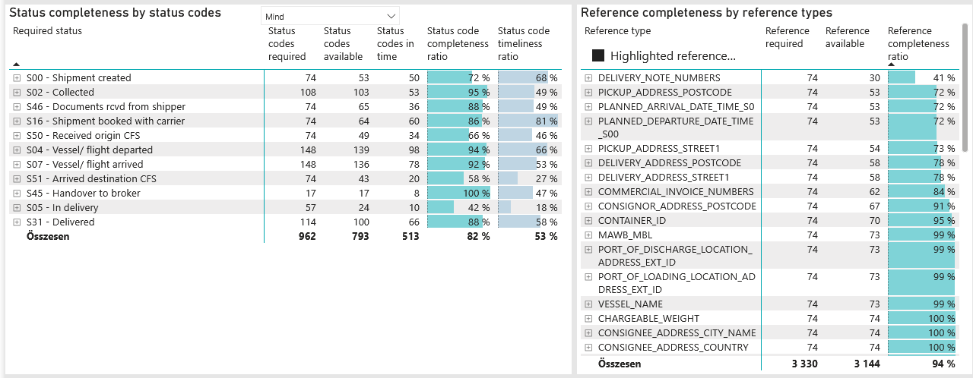
Required status | Status type | „QUERY_List_Carrier_EDIQ_Act”[LSP] | Status codes required | Status codes available | Status codes in time | Status code completeness ratio | Status code timeliness ratio
S00 - Shipment created | Actual | Maersk | 74 | 53 | 50 | 72 % | 68 %
S02 - Collected | Estimated | Maersk | 54 | 53 | 36 | 98 % | 67 %
S02 - Collected | Actual | Maersk | 54 | 50 | 17 | 93 % | 31 %
S46 - Documents rcvd from shipper | Actual | Maersk | 74 | 65 | 36 | 88 % | 49 %
S16 - Shipment booked with carrier | Actual | Maersk | 74 | 64 | 60 | 86 % | 81 %
S50 - Received origin CFS | Actual | Maersk | 74 | 49 | 34 | 66 % | 46 %
S04 - Vessel/ flight departed | Estimated | Maersk | 74 | 71 | 59 | 96 % | 80 %
S04 - Vessel/ flight departed | Actual | Maersk | 74 | 68 | 39 | 92 % | 53 %
S07 - Vessel/ flight arrived | Estimated | Maersk | 74 | 73 | 56 | 99 % | 76 %
S07 - Vessel/ flight arrived | Actual | Maersk | 74 | 63 | 22 | 85 % | 30 %
S51 - Arrived destination CFS | Actual | Maersk | 74 | 43 | 20 | 58 % | 27 %
S45 - Handover to broker | Actual | Maersk | 17 | 17 | 8 | 100 % | 47 %
S05 - In delivery | Actual | Maersk | 57 | 24 | 10 | 42 % | 18 %
S31 - Delivered | Estimated | Maersk | 57 | 56 | 45 | 98 % | 79 %
S31 - Delivered | Actual | Maersk | 57 | 44 | 21 | 77 % | 37 %

BCO
Alkalmazott szűrők: TRANSPORT_MODE egyezik ezzel: Sea TRANSPORT_SERVICE_PRIORITY egyezik ezzel: LCL/FCL/FCL Reference type egyezik ezzel: Highlighted references only „QUERY_List_Carrier_name_EDIQ_Act”[LSP] egyezik ezzel: Maersk Date ekkori vagy későbbi a következőnél: 2026.05.11. 0:00:00 és dátuma korábbi, mint 2026.05.18. 0:00:00 SHIPMENT_CANCELLED egyezik ezzel: (Üres) Previous and next 1 year egyezik ezzel: Y KPI_Category nem egyezik ezzel: Mapping
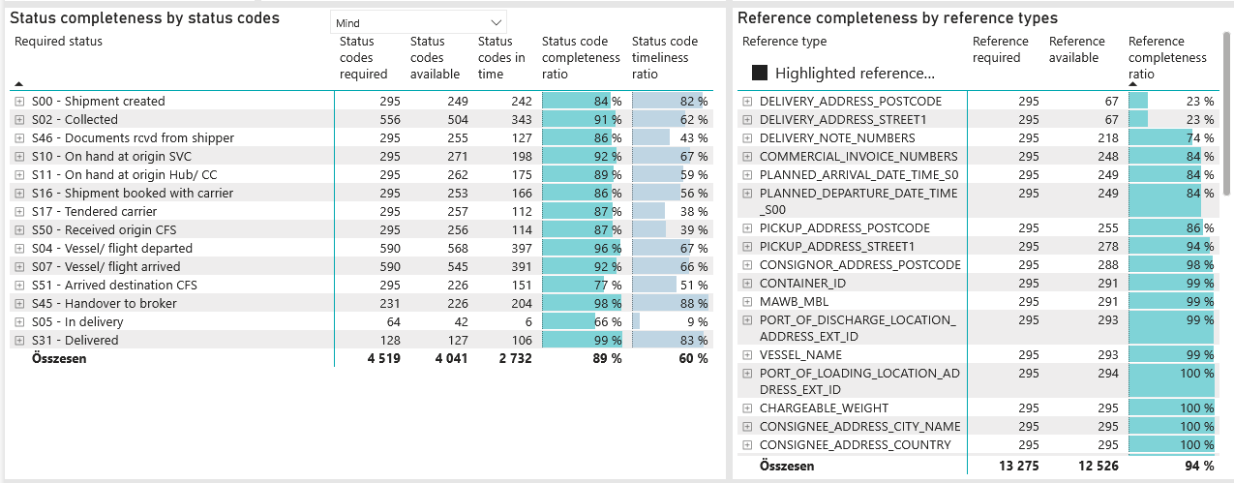
Required status | Status type | „QUERY_List_Carrier_EDIQ_Act”[LSP] | Status codes required | Status codes available | Status codes in time | Status code completeness ratio | Status code timeliness ratio
S00 - Shipment created | Actual | Maersk | 295 | 249 | 242 | 84 % | 82 %
S02 - Collected | Estimated | Maersk | 278 | 256 | 226 | 92 % | 81 %
S02 - Collected | Actual | Maersk | 278 | 248 | 117 | 89 % | 42 %
S46 - Documents rcvd from shipper | Actual | Maersk | 295 | 255 | 127 | 86 % | 43 %
S10 - On hand at origin SVC | Actual | Maersk | 295 | 271 | 198 | 92 % | 67 %
S11 - On hand at origin Hub/ CC | Actual | Maersk | 295 | 262 | 175 | 89 % | 59 %
S16 - Shipment booked with carrier | Actual | Maersk | 295 | 253 | 166 | 86 % | 56 %
S17 - Tendered carrier | Actual | Maersk | 295 | 257 | 112 | 87 % | 38 %
S50 - Received origin CFS | Actual | Maersk | 295 | 256 | 114 | 87 % | 39 %
S04 - Vessel/ flight departed | Estimated | Maersk | 295 | 290 | 246 | 98 % | 83 %
S04 - Vessel/ flight departed | Actual | Maersk | 295 | 278 | 151 | 94 % | 51 %
S07 - Vessel/ flight arrived | Estimated | Maersk | 295 | 293 | 245 | 99 % | 83 %
S07 - Vessel/ flight arrived | Actual | Maersk | 295 | 252 | 146 | 85 % | 49 %
S51 - Arrived destination CFS | Actual | Maersk | 295 | 226 | 151 | 77 % | 51 %
S45 - Handover to broker | Actual | Maersk | 231 | 226 | 204 | 98 % | 88 %
S05 - In delivery | Actual | Maersk | 64 | 42 | 6 | 66 % | 9 %
S31 - Delivered | Estimated | Maersk | 64 | 64 | 59 | 100 % | 92 %
S31 - Delivered | Actual | Maersk | 64 | 63 | 47 | 98 % | 73 %

LCL
Alkalmazott szűrők: TRANSPORT_MODE egyezik ezzel: Sea TRANSPORT_SERVICE_PRIORITY egyezik ezzel: LCL/LCL/LCL Reference type egyezik ezzel: Highlighted references only „QUERY_List_Carrier_name_EDIQ_Act”[LSP] egyezik ezzel: Maersk Date ekkori vagy későbbi a következőnél: 2026.05.11. 0:00:00 és dátuma korábbi, mint 2026.05.18. 0:00:00 SHIPMENT_CANCELLED egyezik ezzel: (Üres) Previous and next 1 year egyezik ezzel: Y KPI_Category nem egyezik ezzel: Mapping
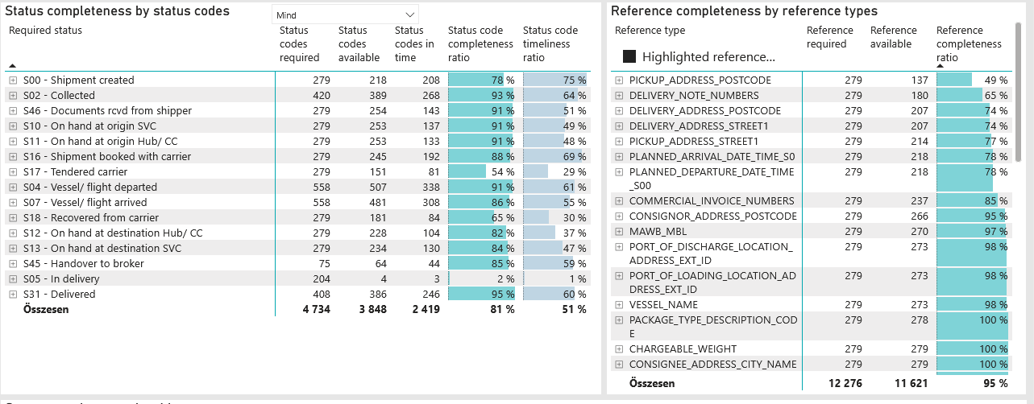
Required status | Status type | „QUERY_List_Carrier_EDIQ_Act”[LSP] | Status codes required | Status codes available | Status codes in time | Status code completeness ratio | Status code timeliness ratio
S00 - Shipment created | Actual | Maersk | 279 | 218 | 208 | 78 % | 75 %
S02 - Collected | Estimated | Maersk | 210 | 200 | 168 | 95 % | 80 %
S02 - Collected | Actual | Maersk | 210 | 189 | 100 | 90 % | 48 %
S46 - Documents rcvd from shipper | Actual | Maersk | 279 | 254 | 143 | 91 % | 51 %
S10 - On hand at origin SVC | Actual | Maersk | 279 | 253 | 137 | 91 % | 49 %
S11 - On hand at origin Hub/ CC | Actual | Maersk | 279 | 253 | 133 | 91 % | 48 %
S16 - Shipment booked with carrier | Actual | Maersk | 279 | 245 | 192 | 88 % | 69 %
S17 - Tendered carrier | Actual | Maersk | 279 | 151 | 81 | 54 % | 29 %
S04 - Vessel/ flight departed | Estimated | Maersk | 279 | 270 | 207 | 97 % | 74 %
S04 - Vessel/ flight departed | Actual | Maersk | 279 | 237 | 131 | 85 % | 47 %
S07 - Vessel/ flight arrived | Estimated | Maersk | 279 | 271 | 196 | 97 % | 70 %
S07 - Vessel/ flight arrived | Actual | Maersk | 279 | 210 | 112 | 75 % | 40 %
S18 - Recovered from carrier | Actual | Maersk | 279 | 181 | 84 | 65 % | 30 %
S12 - On hand at destination Hub/ CC | Actual | Maersk | 279 | 228 | 104 | 82 % | 37 %
S13 - On hand at destination SVC | Actual | Maersk | 279 | 234 | 130 | 84 % | 47 %
S45 - Handover to broker | Actual | Maersk | 75 | 64 | 44 | 85 % | 59 %
S05 - In delivery | Actual | Maersk | 204 | 4 | 3 | 2 % | 1 %
S31 - Delivered | Estimated | Maersk | 204 | 204 | 183 | 100 % | 90 %
S31 - Delivered | Actual | Maersk | 204 | 182 | 63 | 89 % | 31 %

